Sheet1
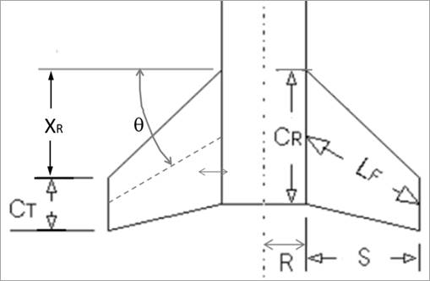
Key | Calculation of Max Drag |  |  | Normal Forces |  |  | Center of Pressure Locations |  |  | Lateral Acting Inertia Loads |  |  | Shear Loading |  | Bending Loading
Blue font is for defined/constraining values | Air Density | 0.002377 | slug/ft^3 |  |  |  | measured from tip of nosecone |  |  | Now using the nosecone Cp as origin |  |  | Using relative coordinates of Cp_N as x=0 |  | Still in relative coordinates
Green font is for calculated values | Burn Out V | 683 | ft/s | Max Dynamic Pressure (q) | 554.4221765 |  | Fins: |  |  | Cg (from tip of nosecone) | 46.978 | in | Location (Cp_N as origin) | Shear Force | Location (Cp_N as origin) | Bending Load
 | Cd | 0.575 |  | Reference Area | 0.0490859375 |  | Dist from tip of nosecone to start of fins (x_b) | 85.09 | in | Cp_N to Cg (x1) | 39.478 | in | 0 | 21.526536853 | 0 | 0
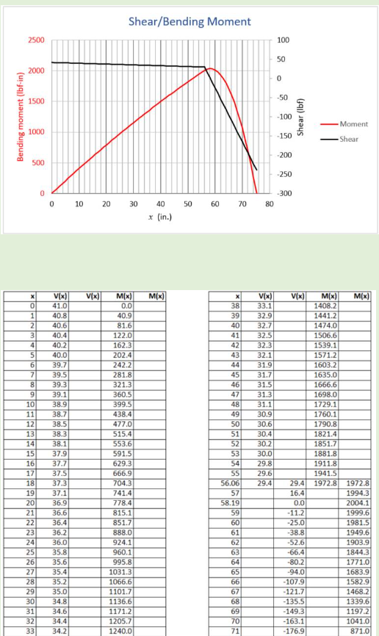
 | Diameter (d) | 3 | in | AOA | 0.175 | rad | Cp location (x_F) | 86.923333333 | in | Cg to Cp_F (x2) | 39.945333333 | in | 1 | 20.884898229 | 1 | 21.205717541
 | Frontal Area | 0.0490859375 | ft^2 |  |  |  |  |  |  | Not super sure about the above geometry values |  |  | 2 | 20.243259605 | 2 | 41.769796457
 | Force (Fd) | 15.648241075 | lbf | Fins: |  |  | Nosecone: (Von Karman shape) |  | Note that Von Karman and Tangent Ogive shapes are very similar |  |  |  | 3 | 19.601620981 | 3 | 61.69223675
 |  |  |  | Number of Fins (N) | 3 |  | Nosecone Length (L) | 15 | in | W_2 | 0.24801339665 | lbf/in | 4 | 18.959982357 | 4 | 80.973038419
 |  |  |  | Diameter (d) | 3 | in | Cp location (x_N) | 7.5 | in | W_1 | 0.64163862395 | lbf/in | 5 | 18.318343733 | 5 | 99.612201464
 |  |  |  | R | 1.5 | in |  |  |  |  |  |  | 6 | 17.676705109 | 6 | 117.60972589
 |  |  |  | S | 1.75 | in |  |  |  |  |  |  | 7 | 17.035066485 | 7 | 134.96561168
 |  |  |  | X_R | 1.5 | in |  |  |  |  |  |  | 8 | 16.393427861 | 8 | 151.67985886
 |  |  |  | C_T | 3 | in |  |  |  |  |  |  | 9 | 15.751789237 | 9 | 167.7524674
 |  |  |  | C_R | 6 | in |  |  |  |  |  |  | 10 | 15.110150613 | 10 | 183.18343733
 |  |  |  | Theta | 0 | deg |  |  |  |  |  |  | 11 | 14.468511989 | 11 | 197.97276863
 |  |  |  | L_F | 1.75 | in |  |  |  |  |  |  | 12 | 13.826873365 | 12 | 212.12046131
 |  |  |  | C_N_alpha | 2.8789558155 | rad^-1 |  |  |  |  |  |  | 13 | 13.185234741 | 13 | 225.62651536
 |  |  |  |  |  |  |  |  |  |  |  |  | 14 | 12.543596117 | 14 | 238.49093079
 |  |  |  | F_N for fins | 13.711050544 | lbf |  |  |  |  |  |  | 15 | 11.901957493 | 15 | 250.7137076
 |  |  |  |  |  |  |  |  |  |  |  |  | 16 | 11.260318869 | 16 | 262.29484578
 |  |  |  |  |  |  |  |  |  |  |  |  | 17 | 10.618680246 | 17 | 273.23434534
 | Shear | Bending
 | 21.526536853 | 0
 | 20.884898229 | 21.205717541
 | 20.243259605 | 41.769796457
 | 19.601620981 | 61.69223675
 | 18.959982357 | 80.973038419
 | 18.318343733 | 99.612201464
 | 17.676705109 | 117.60972589
 | 17.035066485 | 134.96561168
 | 16.393427861 | 151.67985886
 | 15.751789237 | 167.7524674
 | 15.110150613 | 183.18343733
 | 14.468511989 | 197.97276863
 | 13.826873365 | 212.12046131
 | 13.185234741 | 225.62651536
 | 12.543596117 | 238.49093079
 | 11.901957493 | 250.7137076
 | 11.260318869 | 262.29484578
 | 10.618680246 | 273.23434534
 | 9.9770416216 | 283.53220627
 | 9.3354029976 | 293.18842858
 | 8.6937643737 | 302.20301226
 | 8.0521257497 | 310.57595733
 | 7.4104871258 | 318.30726376
 | 6.7688485018 | 325.39693158
 | 6.1272098779 | 331.84496077
 | 5.4855712539 | 337.65135133
 | 4.84393263 | 342.81610327
 | 4.202294006 | 347.33921659
 | 3.5606553821 | 351.22069129
 | 2.9190167581 | 354.46052736
 | 2.2773781342 | 357.0587248
 | 1.6357395102 | 359.01528363
 | 0.99410088629 | 360.33020382
 | 0.35246226234 | 361.0034854
 | -0.28917636161 | 361.03512835
 | -0.93081498556 | 360.42513267
 | -1.5724536095 | 359.17349838
 | -2.2140922335 | 357.28022546
 | -2.8557308574 | 354.74531391
 | -3.4973694814 | 351.56876374
 | -4.1390081053 | 347.75057495
 | -4.7806467293 | 343.29074753
 | -5.4222853532 | 338.18928149
 | -6.0639239772 | 332.44617682
 | -6.7055626011 | 326.06143353
 | -7.3472012251 | 319.03505162
 | -7.988839849 | 311.36703108
 | -8.630478473 | 303.05737192
 | -9.2721170969 | 294.10607414
 | -9.9137557209 | 284.51313773
...
 |  |  |  | Nosecone: |  |  |  |  |  |  |  |  | 18 | 9.9770416216 | 18 | 283.53220627
 |  |  |  | Find the value below in OpenRocket. Go to tools -> component analysis -> stablilty and it is shown in far right column |  |  |  |  |  |  |  |  | 19 | 9.3354029976 | 19 | 293.18842858
 |  |  |  | C_N_alpha | 4.52 | rad^-1 |  |  |  |  |  |  | 20 | 8.6937643737 | 20 | 302.20301226
 |  |  |  | F_N for nosecone | 21.526536853 | lbf |  |  |  |  |  |  | 21 | 8.0521257497 | 21 | 310.57595733
 |  |  |  |  |  |  |  |  |  |  |  |  | 22 | 7.4104871258 | 22 | 318.30726376
 |  |  |  |  |  |  |  |  |  |  |  |  | 23 | 6.7688485018 | 23 | 325.39693158
 |  |  |  |  |  |  |  |  |  |  |  |  | 24 | 6.1272098779 | 24 | 331.84496077
 |  |  |  |  |  |  |  |  |  |  |  |  | 25 | 5.4855712539 | 25 | 337.65135133
 |  |  |  |  |  |  |  |  |  |  |  |  | 26 | 4.84393263 | 26 | 342.81610327
 |  |  |  |  |  |  |  |  |  |  |  |  | 27 | 4.202294006 | 27 | 347.33921659
 |  |  |  |  |  |  |  |  |  |  |  |  | 28 | 3.5606553821 | 28 | 351.22069129
 |  |  |  |  |  |  |  |  |  |  |  |  | 29 | 2.9190167581 | 29 | 354.46052736
 |  |  |  |  |  |  |  |  |  |  |  |  | 30 | 2.2773781342 | 30 | 357.0587248
 |  |  |  |  |  |  |  |  |  |  |  |  | 31 | 1.6357395102 | 31 | 359.01528363
 |  |  |  |  |  |  |  |  |  |  |  |  | 32 | 0.99410088629 | 32 | 360.33020382
 |  |  |  |  |  |  |  |  |  |  |  |  | 33 | 0.35246226234 | 33 | 361.0034854
 |  |  |  |  |  |  |  |  |  |  |  |  | 34 | -0.28917636161 | 34 | 361.03512835
 |  |  |  |  |  |  |  |  |  |  |  |  | 35 | -0.93081498556 | 35 | 360.42513267
 |  |  |  |  |  |  |  |  |  |  |  |  | 36 | -1.5724536095 | 36 | 359.17349838
 |  |  |  |  |  |  |  |  |  |  |  |  | 37 | -2.2140922335 | 37 | 357.28022546
 |  |  |  |  |  |  |  |  |  |  |  |  | 38 | -2.8557308574 | 38 | 354.74531391
 |  |  |  |  |  |  |  |  |  |  |  |  | 39 | -3.4973694814 | 39 | 351.56876374
 |  |  |  |  |  |  |  |  |  |  |  |  | 40 | -4.1390081053 | 40 | 347.75057495
 |  |  |  |  |  |  |  |  |  |  |  |  | 41 | -4.7806467293 | 41 | 343.29074753
 |  |  |  |  |  |  |  |  |  |  |  |  | 42 | -5.4222853532 | 42 | 338.18928149
 |  |  |  |  |  |  |  |  |  |  |  |  | 43 | -6.0639239772 | 43 | 332.44617682
 |  |  |  |  |  |  |  |  |  |  |  |  | 44 | -6.7055626011 | 44 | 326.06143353
 |  |  |  |  |  |  |  |  |  |  |  |  | 45 | -7.3472012251 | 45 | 319.03505162
 |  |  |  |  |  |  |  |  |  |  |  |  | 46 | -7.988839849 | 46 | 311.36703108
 |  |  |  |  |  |  |  |  |  |  |  |  | 47 | -8.630478473 | 47 | 303.05737192
 |  |  |  |  |  |  |  |  |  |  |  |  | 48 | -9.2721170969 | 48 | 294.10607414
 |  |  |  |  |  |  |  |  |  |  |  |  | 49 | -9.9137557209 | 49 | 284.51313773
 |  |  |  |  |  |  |  |  |  |  |  |  | 50 | -10.555394345 | 50 | 274.2785627
 |  |  |  |  |  |  |  |  |  |  |  |  | 51 | -11.197032969 | 51 | 263.40234904
 |  |  |  |  |  |  |  |  |  |  |  |  | 52 | -11.838671593 | 52 | 251.88449676
 |  |  |  |  |  |  |  |  |  |  |  |  | 53 | -12.480310217 | 53 | 239.72500585
 |  |  |  |  |  |  |  |  |  |  |  |  | 54 | -13.121948841 | 54 | 226.92387633
 |  |  |  |  |  |  |  |  |  |  |  |  | 55 | -13.763587465 | 55 | 213.48110817
 |  |  |  |  |  |  |  |  |  |  |  |  | 56 | -14.405226089 | 56 | 199.3967014
 |  |  |  |  |  |  |  |  |  |  |  |  | 56.37 | -14.642632379 | 56.37 | 194.02284758
 |  |  |  |  |  |  |  |  |  |  |  |  | 57 | -14.798880819 | 57 | 458.05072092 | Replace value 78 with length (not sure what length)
 |  |  |  |  |  |  |  |  |  |  |  |  | 58 | -15.046894216 | 58 | 438.9383911
 |  |  |  |  |  |  |  |  |  |  |  |  | 59 | -15.294907613 | 59 | 419.57804789
 |  |  |  |  |  |  |  |  |  |  |  |  | 60 | -15.542921009 | 60 | 399.96969129
 |  |  |  |  |  |  |  |  |  |  |  |  | 61 | -15.790934406 | 61 | 380.11332128
 |  |  |  |  |  |  |  |  |  |  |  |  | 62 | -16.038947803 | 62 | 360.00893788
 |  |  |  |  |  |  |  |  |  |  |  |  | 63 | -16.286961199 | 63 | 339.65654109
 |  |  |  |  |  |  |  |  |  |  |  |  | 64 | -16.534974596 | 64 | 319.05613089
 |  |  |  |  |  |  |  |  |  |  |  |  | 65 | -16.782987992 | 65 | 298.2077073
 |  |  |  |  |  |  |  |  |  |  |  |  | 66 | -17.031001389 | 66 | 277.11127031
 |  |  |  |  |  |  |  |  |  |  |  |  | 67 | -17.279014786 | 67 | 255.76681993
 |  |  |  |  |  |  |  |  |  |  |  |  | 68 | -17.527028182 | 68 | 234.17435615
 |  |  |  |  |  |  |  |  |  |  |  |  | 69 | -17.775041579 | 69 | 212.33387897
 |  |  |  |  |  |  |  |  |  |  |  |  | 70 | -18.023054976 | 70 | 190.2453884
 |  |  |  |  |  |  |  |  |  |  |  |  | 71 | -18.271068372 | 71 | 167.90888443
 |  |  |  |  |  |  |  |  |  |  |  |  | 72 | -18.519081769 | 72 | 145.32436706
 |  |  |  |  |  |  |  |  |  |  |  |  | 73 | -18.767095166 | 73 | 122.4918363
 |  |  |  |  |  |  |  |  |  |  |  |  | 74 | -19.015108562 | 74 | 99.411292139

